q3-linear gradient
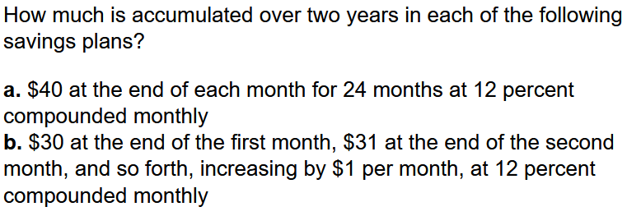

a:
A: | 40 |  | F=A(F/A):
N: | 24 |  | F/A: | 26.973
i: | 12 | 0.01 | F: | 1078.920

b:
A: | 30
G: | 1
i: | 12 | 0.01
N: | 2 | 24

At=A'+G(A/G):
1/i: | 100 | N/((1+i)^N-1): | 88.976
A/G: | 11.024
A': | 30
At: | 41.024

F=At(F/A)
F/A: | 21.243
P: | 871.47

